Sheet1
Greater Dandenong area
In the Greater Dandenong area there are a total of 7937 registed dogs.
3473 of them are female
4451 are male
Only 12 are unidentified
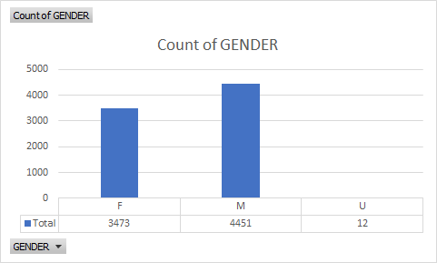

Out of the 7937 dogs, there are more than half of dogs (5519) are desexed, the other half (2417) is not
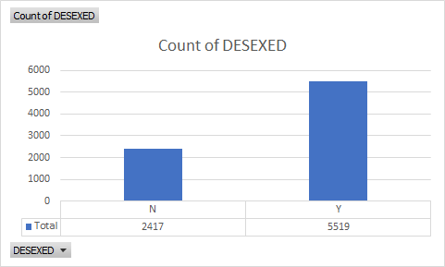

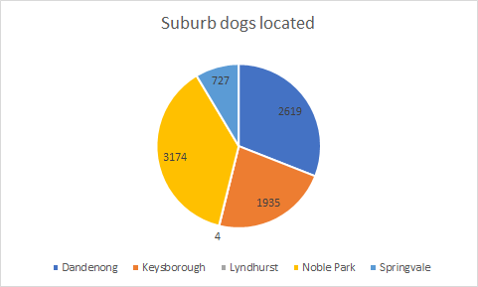
In the greater Dandenong area most of the registered dogs are in the suburb Noble park and Dandenong.
The area that has the least amount of registed dogs is at Springvale

